Spätschwelle
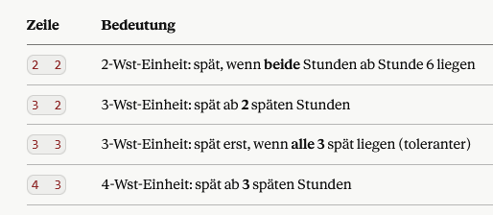
Wst | Schwelle | Def spät ab Stunde
1 | 1 | 6
2 | 1
3 | 2
4 | 2 |  |  | Eintrag c2 liegen
5 | 3

 |  |  | x=Wst des Unterrichts Spalte A
 |  |  | y= Stunde, die als spät gilt, Spalte C Def spät ab Stunde

